Cover

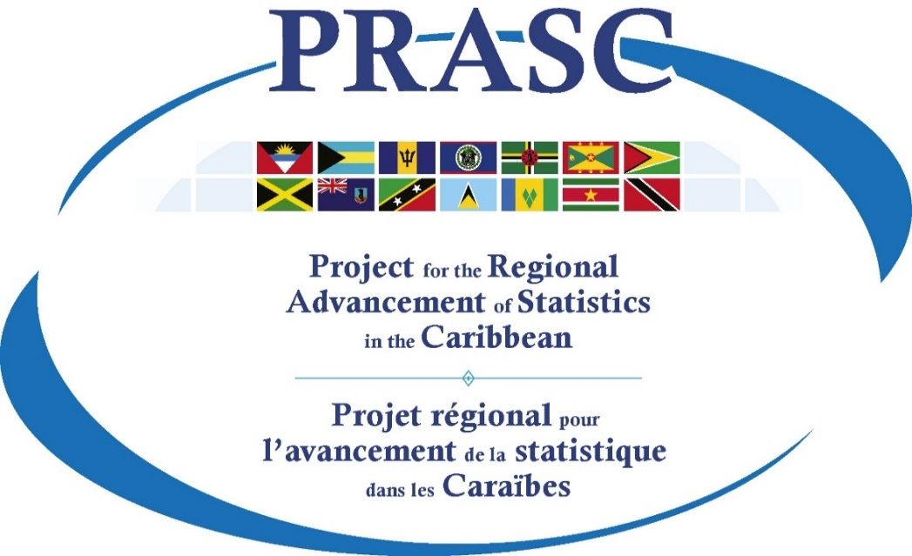
Tools & Templates
Communication and Dissemination Component

Communications Campaign Calendar
Prepared by Statistics Canada
February 2020

Description
This document provides templates and examples to support the organization and implementation of a communications plan. Once a communications plan has been developed, use this document to identify and organize objectives, milestones, key messages, and audiences. Then establish a calendar for the various communications messages and products, and for the social media campaign. This is especially useful for large-scale programs, such as the Population Housing Census and the Country Poverty Assessment, but can certainly be useful for all surveys or advocacy activities.

Social Media (ex)
Social media (example)
ID | Survey/product | Phase | Campaign | Platform | Date | Key message | URL | Image
1 | 2020 Census | Recruitment | Awareness | Facebook | Dec. 27 | Looking for a job? Get you CVs updated! Starting next week, we will be accepting applications for field interviewer positions across the country to help with our upcoming #2021 Census! | www.census.gc.ca/jobs | Dreamstime ID #4707136
 |  |  |  | Twitter
 |  |  |  | Facebook
2 | 2020 Census | Recruitment | Call-to-action | Facebook | Jan. 4 | We’re staffing over 35,000 positions across Canada for the #2021Census. Apply today or visit www.census.gc.ca/jobs for more information! | www.census.gc.ca/jobs | Custom image with census branding
 |  |  |  | Twitter | Jan. 6
3 | Labour Force Survey | Dissemination | Call-to-action | Facebook | Jan. 10 | New data from the Labour Force Survey: Employment increased by 35,000 (+0.2%) in January 2020, all in full-time work. The unemployment rate fell 0.1 percentage points to 5.5%. For more info: | https://www150.statcan.gc.ca/n1/daily-quotidien/200207/dq200207a-eng.htm | 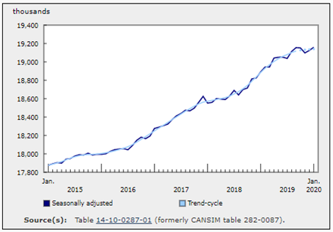 Use same image as published on the website with this article.
4 | 2020 Census | Recruitment | Reminder |  |  | It's not too late to submit your application.
5 | 2020 Census | Collection | Awareness |  |  | The census is coming on May 12, 2020.
6 | 2020 Census | Collection | Reminder |  |  | It's not too late to complete your census questionnaire
7 | 2020 Census | Collection | Engagement |  |  | Thank you to all citizens who completed their census questionnaire.
8 | 2020 Census | Dissemination | Awareness |  |  | New census data available soon. Stay tuned!
9 | 2020 Census | Dissemination | Call-to-action |  |  | First release of census data now available - check it out!
10 | 2020 Census | Dissemination | Engagement |  |  | Thank you to all the census supporters in the community.

