Cover

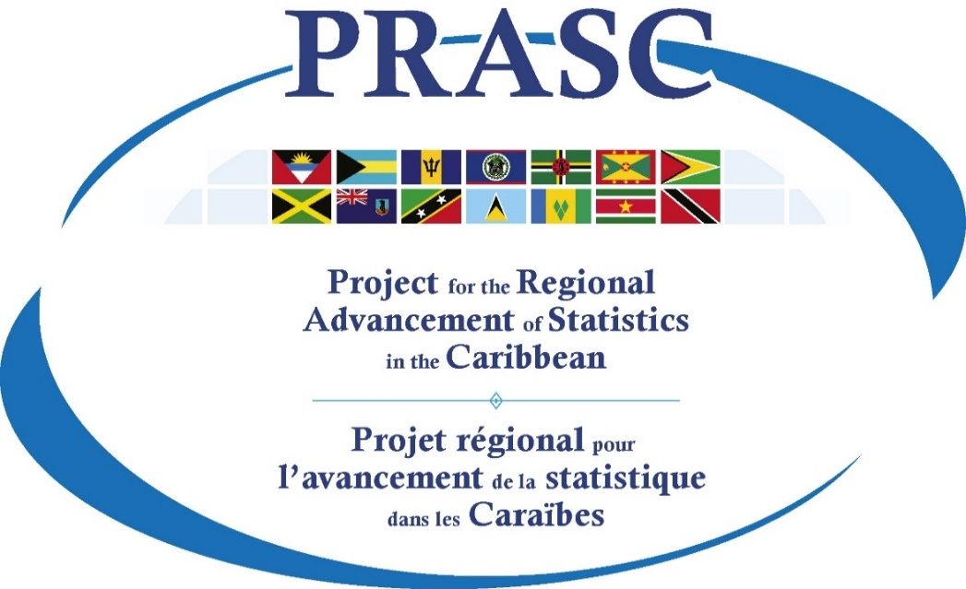
Tools & Templates
Communication and Dissemination Component

Website Content Inventory
Prepared by Statistics Canada
April 2017

Description
The CONTENT INVENTORY serves as a registry of all the products published or to be published on the website. It can be used as a planning tool to see what is being prepared, what is ready for release or what is published. If the Content Inventory is strictly used as a registry of products published, the number of columns could be paired down to only keep the ones of value for this purpose. It is important that the Content Inventory be always kept up-to-date. For that reason, the NSO should not hesitate to customize the Content Inventory to fit the NSO needs and be easy to maintain.

